Instructions
SCHOOL SECURITY BUDGET TOOL INSTRUCTIONS & TIPS
- | In the attached budget forms, fill in the cells highlighted in pink, the other cells will auto calculate.
1 | Please enter your district information as outlined at the top of the budget page.

2 | 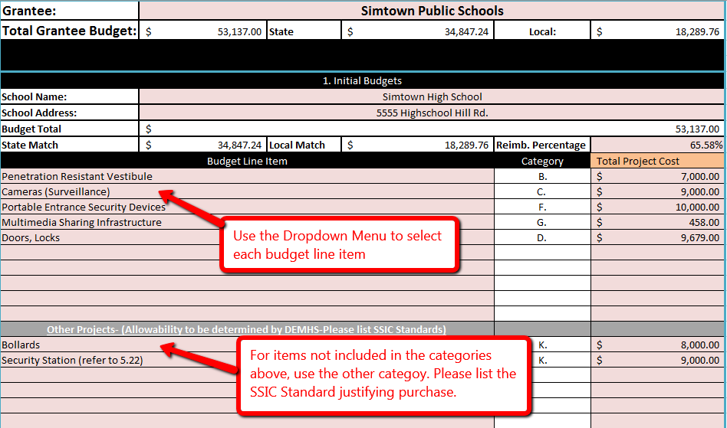 Fill out a Budget Block for each school in which you are applying for. Determine your district match percentage as per Public Act 17-68 and enter that into the match percentage cell. If you need help determining your match percentage please click on the tab below for determining you match percentage. Please enter your proposed budget into the pink cells in the budget blocks. Select each line item from the dropdown list provided. If line items do not fit into the categories provided please list the project (high-level explanation i.e.. Fencing, Bollards, Entry Gate, Office Relocation) into the Other Section. If possible please provide the SSIC Infrastructure Standard that corresponds with the "other" project. DO NOT LIST OUT INDIVIDUAL PROJECT EXPENSES IN THE BUDGET TOOL, FURTHER EXPLANATION SHOULD BE PROVIDED IN THE PROJECT NARRATIVE.

3 | Submit your budget and Application package electronically to schoolsecuritygrant@ct.gov and provide in hardcopy with your full application package to the following address by Monday, October 2, 2017 at 4:00 PM. Department of Emergency Services and Public Protection ATTN: Grants Unit/School Security 1111 Country Club Road, Middletown, Connecticut 06457

